Annual Salary vs Job title
 | Annual Salary*Bonus %
Sr. Manger | $141,604
Technical Architect | $99,975
Director | $163,099
Computer Systems Manager | $84,913
Sr. Analyst | $95,409
Account Representative | $50,994
Manager | $119,746
Analyst | $41,336
Manager | $113,527
Sr. Analyst | $77,203
Sr. Manger | $157,333
Controls Engineer | $109,851
Manager | $105,086
Sr. Manger | $146,742
Sr. Analyst | $97,078
Vice President | $249,270
Director | $175,837
Sr. Manger | $154,828
Director | $186,503
Director | $166,331
Sr. Manger | $146,140
Director | $151,703
Director | $172,787
Analyst | $49,998
Vice President | $207,172
Director | $152,239
Quality Engineer | $98,581
Vice President | $246,231
Engineering Manager | $99,354
Vice President | $231,141
IT Coordinator | $54,775
Analyst | $55,499
Analyst II | $66,521
Account Representative | $59,100
Analyst | $49,011
Enterprise Architect | $99,575
Controls Engineer | $99,989
Vice President | $256,420
Technical Architect | $78,940
Enterprise Architect | $82,872
Sr. Business Partner | $86,317
Manager | $113,135
Vice President | $199,808
Account Representative | $56,037
Sr. Manger | $122,350
Enterprise Architect | $92,952
Computer Systems Manager | $79,921
Director | $167,199
Quality Engineer | $71,476
Director | $189,420
...

CountofE vs Department
Ethnicity | Department | Count of Ethnicity
Asian | Accounting | 41
Asian | Engineering | 56
Asian | Finance | 51
Asian | Human Resources | 50
Count of Ethnicity
Asian | IT | 93
Asian | Marketing | 55
Asian | Sales | 58
Black | Accounting | 3
Black | Engineering | 7
Black | Finance | 9
Black | Human Resources | 14
Black | IT | 20
Black | Marketing | 8
Black | Sales | 13
Caucasian | Accounting | 32
Caucasian | Engineering | 44
Caucasian | Finance | 27
Caucasian | Human Resources | 28
Caucasian | IT | 75
Caucasian | Marketing | 33
Caucasian | Sales | 32
Latino | Accounting | 20
Latino | Engineering | 51
Latino | Finance | 33
Latino | Human Resources | 33
Latino | IT | 53
Latino | Marketing | 24
Latino | Sales | 37

Business unit vs gender
Business Unit | Gender | Count of Business Unit
Corporate | Female | 117
Corporate | Male | 120
Manufacturing | Female | 148
Manufacturing | Male | 121
Research & Development | Female | 115
Research & Development | Male | 114
Speciality Products | Female | 138
Speciality Products | Male | 127

Count of Business Unit vs gender

Business unit vs department
Business Unit | Department | Count of Business Unit
Corporate | Accounting | 21
Corporate | Engineering | 35
Corporate | Finance | 39
Corporate | Human Resources | 26
Corporate | IT | 52
Corporate | Marketing | 31
Corporate | Sales | 33
Manufacturing | Accounting | 28
Manufacturing | Engineering | 33
Manufacturing | Finance | 28
Manufacturing | Human Resources | 35
Manufacturing | IT | 82
Manufacturing | Marketing | 30
Manufacturing | Sales | 33
Research & Development | Accounting | 18
Research & Development | Engineering | 43
Research & Development | Finance | 25
Research & Development | Human Resources | 28
Research & Development | IT | 55
Research & Development | Marketing | 27
Research & Development | Sales | 33
Speciality Products | Accounting | 29
Speciality Products | Engineering | 47
Speciality Products | Finance | 28
Speciality Products | Human Resources | 36
Speciality Products | IT | 52
Speciality Products | Marketing | 32
Speciality Products | Sales | 41

Annual salary and country
Country | Sum of Annual Salary*Bonus %
Brazil | 15613152
China | 24813530
United States | 72790683

Count of Country

Bonus vs business unit
Business Unit | Sum of Bonus %
Corporate | 24.26
Manufacturing | 18.94
Research & Development | 20.3
Speciality Products | 25.16

Count of Business Unit

Department vs bonus
Department | Average of Bonus %
Accounting | 0.11135416667
Engineering | 0.07164556962
Finance | 0.11158333333
Human Resources | 0.10728
IT | 0.054813278008
Marketing | 0.12425
Sales | 0.083785714286
Average of Bonus % by Department

Job title vs bonus
 | Total
Account Representative | 0
Analyst | 0
Analyst II | 0
Automation Engineer | 0
Business Partner | 0
Cloud Infrastructure Architect | 0
Computer Systems Manager | 1.59
Controls Engineer | 0
Development Engineer | 0
Director | 27.54
Engineering Manager | 2.52
Enterprise Architect | 0
Field Engineer | 0
HRIS Analyst | 0
IT Coordinator | 0
IT Systems Architect | 0
Manager | 7.2
Network Administrator | 0
Network Architect | 0
Network Engineer | 0
Operations Engineer | 0
Quality Engineer | 0
Service Desk Analyst | 0
Solutions Architect | 0
Sr. Account Representative | 0
Sr. Analyst | 0
Sr. Business Partner | 0
Sr. Manger | 13.81
System Administrator | 0
Systems Analyst | 0
Technical Architect | 0
Test Engineer | 0
Vice President | 36
(blank)
Row Labels | Sum of Bonus %
Account Representative | 0
Analyst | 0
Analyst II | 0
Automation Engineer | 0
Business Partner | 0
Cloud Infrastructure Architect | 0
Computer Systems Manager | 1.59
Controls Engineer | 0
Development Engineer | 0
Director | 27.54
Engineering Manager | 2.52
Enterprise Architect | 0
Field Engineer | 0
HRIS Analyst | 0
IT Coordinator | 0
IT Systems Architect | 0
Manager | 7.2
Network Administrator | 0
Network Architect | 0
Network Engineer | 0
Operations Engineer | 0
Quality Engineer | 0
Service Desk Analyst | 0
Solutions Architect | 0
Sr. Account Representative | 0
Sr. Analyst | 0
Sr. Business Partner | 0
Sr. Manger | 13.81
System Administrator | 0
Systems Analyst | 0
Technical Architect | 0
Test Engineer | 0
Vice President | 36
(blank)
Grand Total | 88.66

Hire date vs bonus
Hire date vs bonus
2016-04-08 | 15%
1997-11-29 | 0%
2006-10-26 | 20%
2019-09-27 | 7%
1995-11-20 | 0%
2017-01-24 | 0%
2020-07-01 | 10%
2020-05-16 | 0%
2019-01-25 | 6%
2018-06-13 | 0%
2009-02-11 | 15%
2021-10-21 | 0%
1999-03-14 | 9%
2021-06-10 | 10%
2017-11-04 | 0%
2013-03-13 | 30%
2002-03-04 | 20%
2003-12-01 | 13%
2013-11-03 | 24%
2002-07-09 | 18%
2012-01-09 | 10%
2021-04-02 | 21%
2002-05-24 | 28%
2019-09-05 | 0%
2014-03-02 | 31%
2015-04-17 | 23%
2005-02-05 | 0%
2004-06-07 | 31%
1996-12-04 | 12%
2012-05-11 | 34%
2017-06-25 | 0%
2004-05-16 | 0%
2008-07-11 | 0%
2016-09-29 | 0%
2018-05-06 | 0%
2014-02-11 | 0%
2019-12-16 | 0%
2019-10-20 | 30%
2013-05-15 | 0%
1994-01-03 | 0%
2017-05-29 | 0%
2013-11-23 | 5%
2005-11-08 | 32%
2013-11-14 | 0%
2019-05-24 | 12%
2010-11-04 | 0%
2013-03-20 | 5%
2009-09-20 | 20%
2012-10-17 | 0%
2014-10-29 | 20%
...

Count of country, city
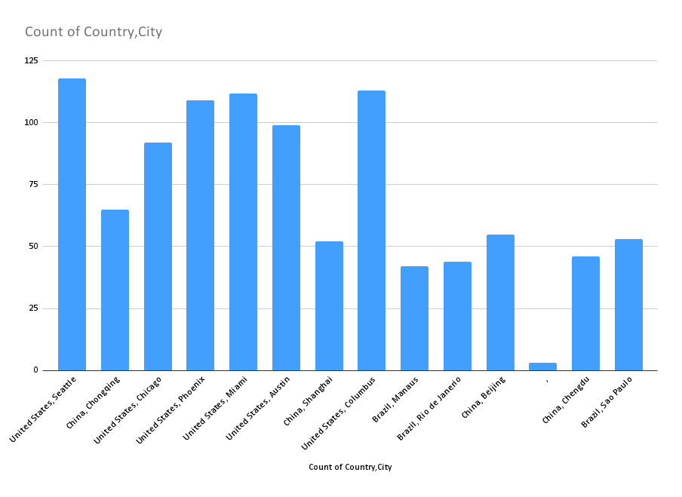

Business unit vs age
Row Labels | Average of Age
Corporate | 44.396624473
Manufacturing | 44.524163569
Research & Development | 45.253275109
Speciality Products | 43.471698113
Grand Total | 44.382

Annual Salary vs Department
Row Labels | Average of Annual Salary*Bonus %
Accounting | 123146.94792
Engineering | 109035.20886
Finance | 122802.89167
Human Resources | 118058.44
IT | 97790.452282
Marketing | 129663.03333
Sales | 111049.85714
Grand Total | 113217.365

Bonus vs Gender
Row Labels | Average of Bonus %
Female | 0.085984555985
Accounting | 0.12924528302
Engineering | 0.056875
Finance | 0.1084057971
Human Resources | 0.11046875
IT | 0.049075630252
Marketing | 0.11438596491
Sales | 0.081973684211
Male | 0.09153526971
Accounting | 0.089302325581
Engineering | 0.086794871795
Finance | 0.11588235294
Human Resources | 0.10393442623
IT | 0.060409836066
Marketing | 0.13317460317
Sales | 0.0859375
Grand Total | 0.08866

